Dashboard
 | User Activity & Access Audit Dashboard

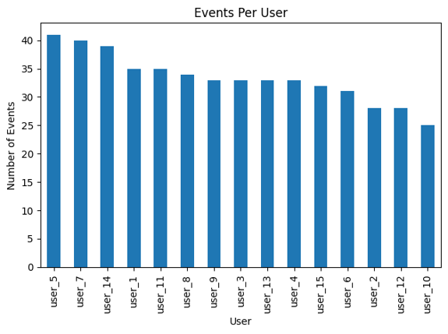
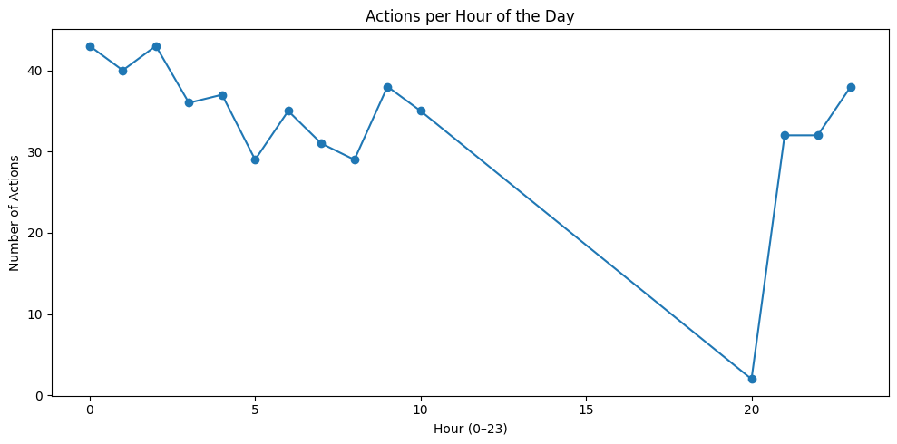
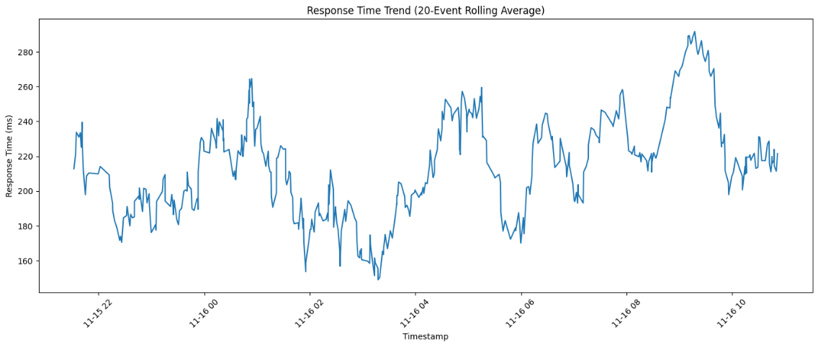

High activity from user_5, user_7, and user_14. |  |  |  | Response time is mostly stable (180–240 ms), with occasional spikes up to ~290 ms.
Most users show similar usage, but the top three may require closer monitoring. |  | Activity peaks at midnight and late evening, which is unusual for normal users. |  | Spikes may indicate heavier system load.
 |  | Possible automated tasks or after-hours access.
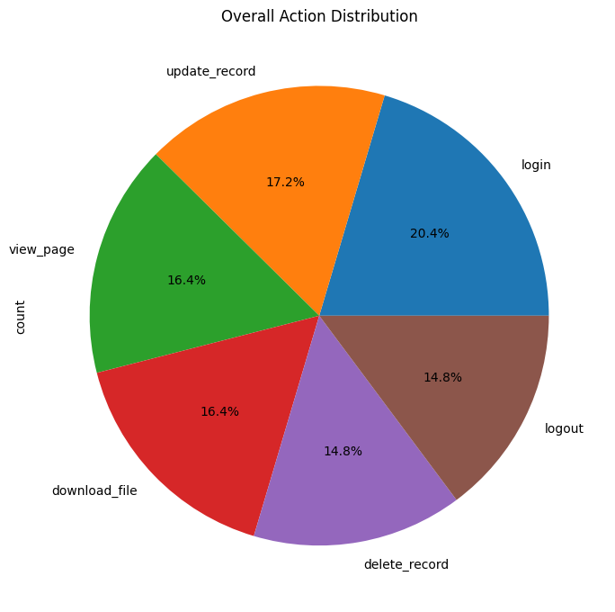
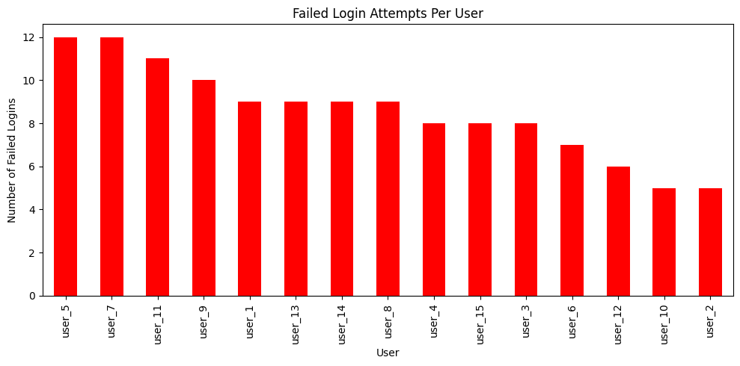

Most actions involve logging in and updating records, indicating active system usage.
Delete events appear controlled and evenly distributed.

 |  |  | user_5 and user_7 show unusually high failed logins (12 each).
 |  |  | Potential password misuse or brute-force attempts.

